PGDCA
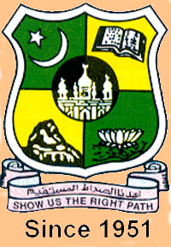
JAMAL MOHAMED COLLEGE (Autonomous)
College with Potential for Excellence
Re-accredited (3rd cycle) with 'A' Grade by NAAC
(Affiliated to Bharathidasan University)
TIRUCHIRAPPALLI - 20
P.G. DIPLOMA EXAMINATION SCHEDULE - MAY 2017
DEPARTMENT OF P.G.D.C.A. ( REGULAR \ ARREAR )

PG - ( FORE NOON 09.30 AM TO 12.30 PM ) |  |  |  |  |  | PG - ( AFTER NOON 02.30 PM TO 05.30 PM )
Sem | Reg./Arr. | Code | Title | Date | Day | Title | Code | Reg./Arr. | Sem
II | Reg./Arr. | 14PDCA2C6 | Internet and its Applications | 12.05.17 | Fri | Digital Computer Fundamentals | 14PDCA1C1 | Arrear | I
 |  | 14PDCA2C7 | Object Oriented Programming with C++ | 13.05.17 | Sat | Programming in C | 14PDCA1C2
 |  | 14PDCA2C8 | Visual Programming | 15.05.17 | Mon | Principles of Operating Systems | 14PDCA1C3
 |  | 14PDCA2C9 | Web Design | 16.05.17 | Tue | Database Systems | 14PDCA1C4

PRINCIPAL |  |  |  |  |  | CONTROLLER OF EXAMINATIONS
DATE : 27.03.2017

